Introduction
 | 'ERICA'
 | Wildfire Exercise 2014

Protectively marked : NOT PROTECTIVELY MARKED - but intended only for exercise staff

Andy Elliott, Dorset Fire and Rescue Service
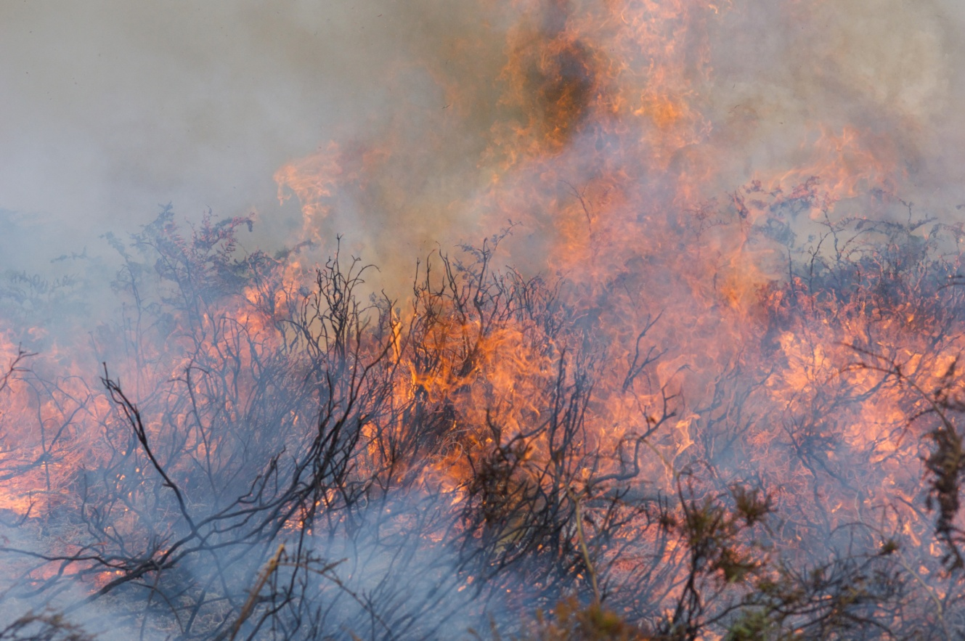

18th October 2014

