Note


 | State of Northumberland - How
 | We want to be efficient, open and work for everyone

Indicator | Indicator Name
SoN01 | Sickness
SoN02 | Council Tax Collection
SoN03 | Planning Applications

SoN66
 | Sickness Absence
 | Sickness absence rates are used by government and businesses to measure employee health and to prevent loss of work. The costs associated with sickness absence can impact productivity of the economy.

 | Northumberland County Council measures the percentage of days lost to sickness absence and average fte days lost as part of the Corporate Performance Monitoring framework. Data is freely available on our open data website.

 | More generally the Office for National Statistics (ONS) produces sickness absence statistics for the whole labour market.

 | Key Trends
 | * For Northumberland County Council staff the percentage of days lost to sickness has increased from 4.8% in 2016 to 5.1% in 2018, and increase of 0.3 percentage points.
 | * The average full time equivalent days lost to sickness in the last 12 months has risen from 10.6 in 2016 to 11.4 in 2018, an increase of 7.8%.

 | Sickness Absence - Northumberland County Council Staff
 |  | Average FTE days lost to sickness per FTE over last 12 months |  |  |  | Percentage of days lost to sickness absence
 |  | 2016 | 2017 | 2018 | Target | 2016 | 2017 | 2018 | Target
 | Northumberland County Council | 10.6 | 10.4 | 11.4 | 7.5 | 4.8 | 4.7 | 5.1 | 3.5
 | Source: Northumberland County Council Corporate Performance Indicator Results, year ending 1st November each year, https://opendata.northumberland.gov.uk/datasets/corporate-performance-indicator-results/

 |  |  | 2016 | 2017 | 2018
 |  | Average FTE days lost to sickness per FTE over last 12 months | 10.6 | 10.4 | 11.4
 |  | Percentage of days lost to sickness absence | 4.8 | 4.7 | 5.1

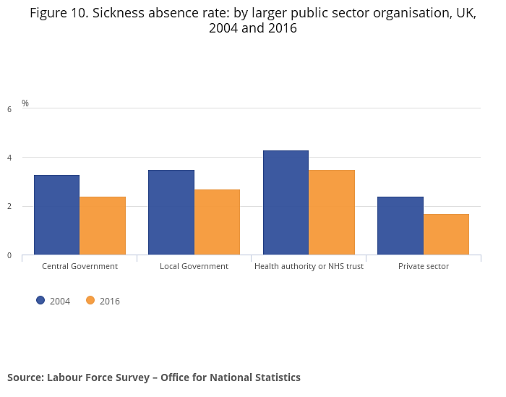
 | Nationally the sickness absence rate (the percentage of total expected working hours lost due to sickness) for the public sector as a whole was 2.6% in 2017, workers in the public administration, education and health industry, which includes some private sector health and education workers, have the highest sickness absence rate across all industries.

 | Higher sickness absence in the public sector is partly explained¹ by the profile of the workforce: it employs more older people and women, both of whom tend to have higher rates of sickness absence

 | Workers in large organisations employing 500 or more people report the highest rate of sickness absence across all business sizes. In 2017, this stood at 2.3% compared with a rate of 1.6% for workers in organisations that employ fewer than 25 people.

 | Further Information
 | Open Data Northumberland
 | Sickness Absence Statistics, ONS |  |  |  |  | Source: Labour Force Survey, Office for National Statistics
 | ONS - How does my sickness compare to the national rate?
¹ | https://assets.publishing.service.gov.uk/government/uploads/system/uploads/attachment_data/file/181060/health-at-work.pdf

SoN67
Council Tax Collection

Statistics on council tax is produced by the Ministry of Housing, Communities and Local Government (MHCLG) and is used for a number of purposes. Centrally it provides the Secretary of State, Ministers, HM Treasury and the Office for National Statistics (ONS) with the most up to date information available on the amount of council tax and non-domestic rates collected by local authorities and their performance as shown by collection rates. The data are important sources for various evidence based policy and financial decisions and answering numerous parliamentary questions.

In addition it is used by local authorities and their associations, other government departments, members of the business community and the general public. It enables the public (including both council tax and non-domestic rate payers) to compare their authority with others of the same type or in the same locality.

Key Trends
* The average council tax per dwelling in Northumberland has increased by 21% between 2014/15 and 2018/19, similar to the rate of change in the North East as a whole and the England rate.
* Average council tax per dwelling was £1,252 in Northumberland in 2018/19 - higher than the average in the North East but lower than the England average.
* 98% of all collectable council tax was collected in Northumberland in 2017/18 - the highest of all comparator areas and an increase on the previous year.

Average council tax per dwelling, 2018/19
Average Council Tax per Dwelling
 | 2014-15 | 2015-16 | 2016-17 | 2017-18 | 2018-19
Northumberland | 1,037 | 1,063 | 1,114 | 1,183 | 1,252
North Eastern LEP | 850 | 873 | 917 | 970 | 1,031
North East | 883 | 908 | 955 | 1,006 | 1,068
England (excluding London authorities) | 1,123 | 1,151 | 1,205 | 1,259 | 1,341
England | 1,051 | 1,078 | 1,128 | 1,185 | 1,258
Source: Average Council Tax per Dwelling, Ministry of Housing, Communities and Local Government (MHCLG)

Council Tax Collection Rates
 | 2016-17 |  |  | 2017-18
 | Estimate of amount collectable in the year | Amount collected by 31 March 2017 | Amount collected by 31 March 2017 as a % of amount collectable | Estimate of amount collectable in the year | Amount collected by 31 March 2018 | Amount collected by 31 March 2018 as a % of amount collectable
 | £000s | £000s | % | £000s | £000s | %
Northumberland | 169,381 | 165,802 | 97.9 | 180,158 | 176,624 | 98.0
North Eastern LEP | 849,599 | 821,495 | 96.7 | 900,483 | 870,953 | 96.7
North East | 1,157,073 | 1,113,287 | 96.2 | 1,225,189 | 1,179,226 | 96.2
England (excluding London authorities) | 22,970,629 | 22,338,639 | 97.2 | 24,288,055 | 23,603,890 | 97.2
England | 26,797,092 | 26,038,596 | 97.2 | 28,319,489 | 27,501,615 | 97.1
Source: Collection rates for Council Tax and non-domestic rates in England, Ministry of Housing, Communities and Local Government (MHCLG)

Further Information
Council Tax Collection Rates
Council Tax Statistics
Council Tax - Live Tables

SoN68
District planning authorities - applications received, decided, granted and delegated

The Ministry for Housing, Communities and Local Government produces statistics for authorities that undertake district and county level planning activities in England. It covers information on planning applications received and decided, including decisions on applications for residential developments (dwellings) and enforcement activities.

Ministers and officials use this information for policy formulation and for decisions on designating poorly-performing local planning authorities. The figures are also of interest to the Planning Inspectorate, local government, planning and development professionals, academics, house builders and developers, other businesses, charities and campaign groups and the media.

Key Trends
* In the year ending September 2018 there were 2,711 planning applications received - 2,422 to the County Council and 67 to the National Park Authority.
* 95% of all decisions were delegated to officers.
* 93% of applications were granted which was higher than the rate for England.

Planning applications received and decisions made, year ending September 2018
 | Total applications received | Total decisions | Percentage of decisions delegated to officers | Total decisions granted | Percentage of decisions granted | Further Information
Northumberland (Council) | 2,644 | 2,422 | 95 | 2,258 | 93 | Planning Application Statistics
Northumberland (National Park) | 67 | 58 | 88 | 57 | 98 | Planning Application - Live Tables
Northumberland (Total) | 2,711 | 2,480 | 95 | 2,315 | 93
North Eastern LEP | 10,070 | 9,604 | 95 | 8,983 | 94
North East | 13,079 | 12,416 | 94 | 11,643 | 94
England (excluding London authorities) | 378,060 | 348,094 | 95 | 311,538 | 89
England | 457,668 | 419,145 | 94 | 368,794 | 88
Source: Ministry of Housing, Communities and Local Government, Planning Statistics, Live Tables, Table P 134

